Schedulers
Table 1

 |  |  | Schedulers
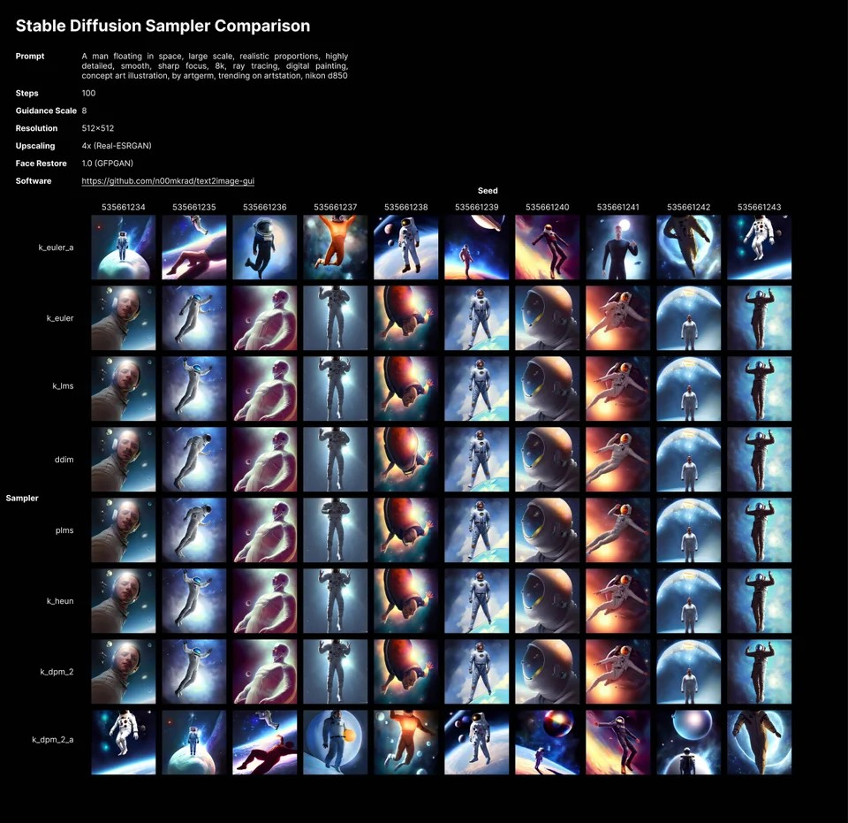
Caption
 |  |  | In Diffusers Library | diffusers/src/diffusers/schedulers/
 |  |  |  | https://github.com/huggingface/diffusers/tree/main/src/diffusers/schedulers —————————— https://huggingface.co/docs/diffusers/api/schedulers

 |  |  |  | Diffusers contains different scheduler classes which each define the algorithm-specific diffusion steps.
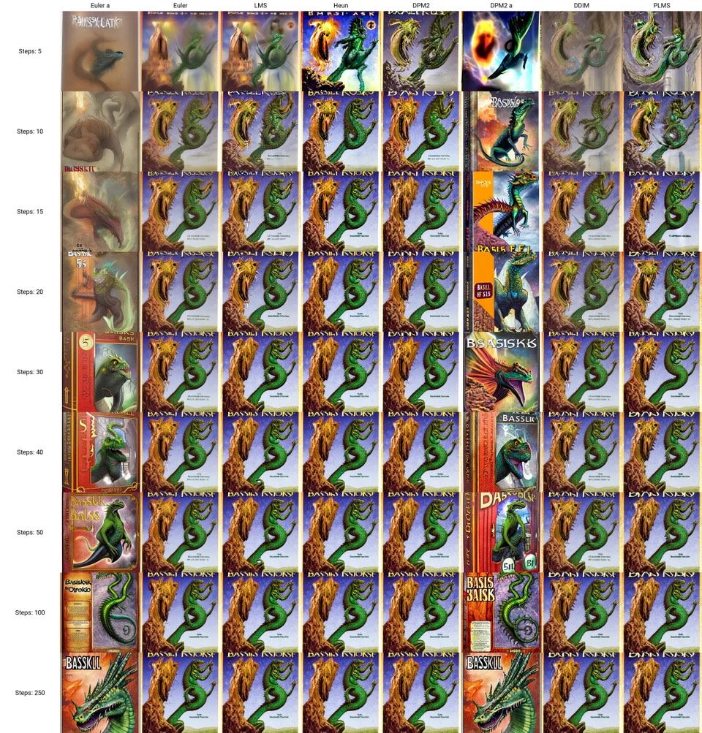
Caption
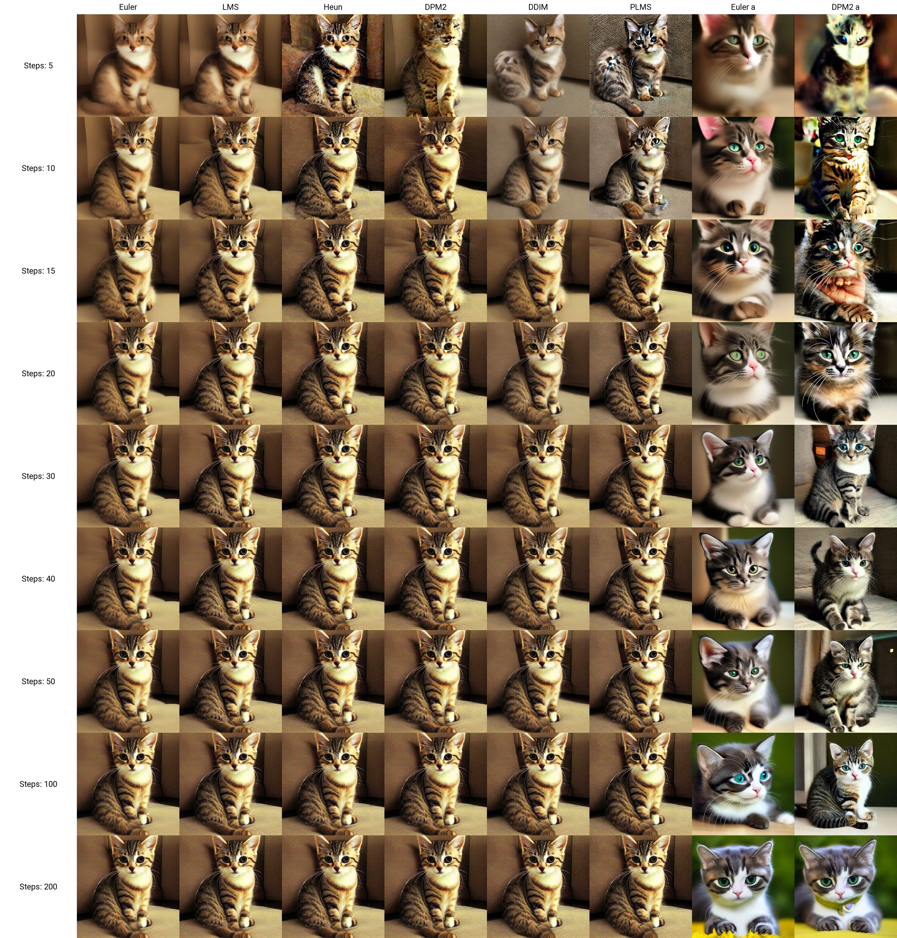
Caption
 |  |  |  | DDPMScheduler |  | The DDPMScheduler corresponds to the training denoising and training algorithm proposed in Denoising Diffusion Probabilistic Models. |  |  | from diffusers import DDPMScheduler | used in the training colab of a Text-to-Image Generation: https://colab.research.google.com/github/huggingface/notebooks/blob/main/diffusers/training_example.ipynb#scrollTo=575a059d-a849-449e-8e11-72abc9c9fe2d

 |  |  | Recommended as per https://huggingface.co/blog/stable_diffusion#how-to-write-your-own-inference-pipeline-with-diffusers | DDIM scheduler |  | Proposed in Denoising Diffusion Implicit Models. special case of PLMS |  |  | from diffusers.schedulers.scheduling_ddim import DDIMScheduler | we used it with img-to-img

 |  |  |  | PNDM scheduler mafroud = PLMS | default | proposed in Pseudo Numerical Methods for Diffusion Models on Manifolds mafroud = PLMS pseudo linear multi-step method |  |  | from diffusers import PNDMScheduler

 |  |  |  | K-LMS discrete scheduler mafroud = K-diffusion |  | Katherine Crowson ’s version of PLMS sampler |  |  | from diffusers import LMSDiscreteScheduler | we used it with the customized pipeline text-to-image

 |  |  |  | Karras scheduler |  | Variance exploding, stochastic sampling |  |  | diffusers.KarrasVeScheduler
 |  |  |  | SDE scheduler |  | variance exploding stochastic differential equation (SDE) scheduler |  |  | diffusers.ScoreSdeVeScheduler

 |  |  |  |  |  | Denoising Diffusion Probabilistic Models (DDPMs) can generate high-quality samples such as image and audio samples. However, DDPMs require hundreds to thousands of iterations to produce final samples. Several prior works have successfully accelerated DDPMs through adjusting the variance schedule (e.g., Improved Denoising Diffusion Probabilistic Models) or the denoising equation (e.g., Denoising Diffusion Implicit Models (DDIMs)). However, these acceleration methods cannot maintain the quality of samples and even introduce new noise at a high speedup rate, which limit their practicability. To accelerate the inference process while keeping the sample quality, we provide a fresh perspective that DDPMs should be treated as solving differential equations on manifolds. Under such a perspective, we propose pseudo numerical methods for diffusion models (PNDMs). Specifically, we figure out how to solve differential equations on manifolds and show that DDIMs are simple cases of pseudo numerical methods. We change several classical numerical methods to corresponding pseudo numerical methods and find that the pseudo linear multi-step method is the best in most situations. According to our experiments, by directly using pre-trained models on Cifar10, CelebA and LSUN, PNDMs can generate higher quality synthetic images with only 50 steps compared with 1000-step DDIMs (20x speedup), significantly outperform DDIMs with 250 steps (by around 0.4 in FID) and have good generalization on different variance schedules. Our implementation is available at this https URL: https://github.com/luping-liu/PNDM

 |  |  |  |  |  | https://arxiv.org/abs/2202.09778

 |  |  |  | from ldm.models.diffusion.ddim import DDIMSampler |  |  |  | https://colab.research.google.com/drive/17imvqjQq4BoEqRHBw4HyvBpzirCJh_iA?usp=sharing | https://github.com/CompVis/stable-diffusion/tree/main/ldm/models/diffusion
 |  |  |  | from ldm.models.diffusion.plms import PLMSSampler

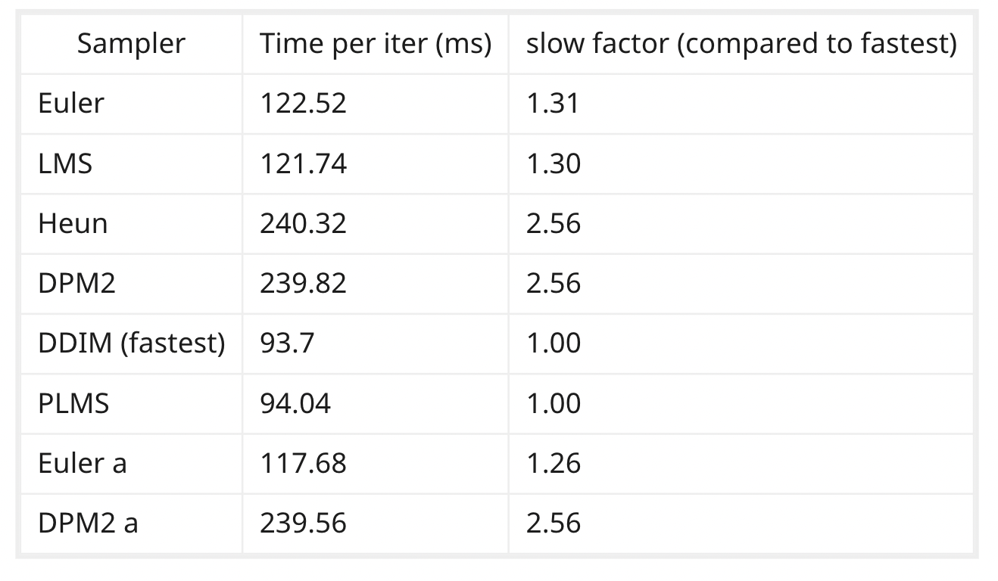
 | https://old.reddit.com/r/StableDiffusion/comments/x41n87/how_to_get_images_that_dont_suck_a/ | https://stable-diffusion-ui.github.io/docs/samplers/ |  | https://www.youtube.com/watch?v=N5ZAMa3BUxc&ab_channel=ScottDetweiler |  | Which Stable Diffusion Sampler is Best?
 | k_euler_a: The Chameleon Everything that applies to DDIM applies here as well. fast and also gets great results at extremely low step counts (steps 8-16) | Euler is the simplest, and thus one of the fastest. ——————- Heun is an ‘improvement’ on Euler in terms of accuracy, but it runs at about half the speed (which makes sense - it has to calculate the normal Euler term, then do it again to get the final output) Euler-A seems to follow complex prompts better with higher steps - you’ll get something regardless, but it might be more focused on parts of the prompt you don’t care much for. |  | Euler | effective up to 30 steps |  | smh stops changing afterwards
 |  |  |  | Euler Adaptive | effective up to 100 steps |  | big shifts |  | My fav is Euler ancestral on 40 steps. When I get good results, I up steps to 50.
 |  |  |  | HEUN | effective up to 30 steps |  | less blurry than Euler at same 30 steps

 | k_lms: The Old Reliable k_lms at 50 steps at CFG 7-8 will give you fine generations most of the time if your prompt is good. | LMS and PLMS are their cousins, their approach is (averaging out a couple of steps in the past to improve accuracy). PLMS is effectively LMS adapted to better deal with the weirdness in NN. (P)LMS suffer from really ugly artifacts on lower step settings. |  | LMS | effective up to 50 steps |  | smh stops changing afterwards |  | I use k_lms exclusively and I've seen a lot of people wasting steps by going up to like 100, 200, 300, etc. After about 75-100 steps on k_lms (or really any non-a sampler), you've already basically converged on the maximum possible quality. if you really like an image you can try a redo where you bump the steps up to like 125 as a sort of "final render" of it but don't expect any noticeable changes. When I generate at the same seed, same sampler, but a totally different prompt, I can often see areas of the two different pieces where they have a similar flow of shapes
 |  |  |  | PLMS | effective up to 60 steps

 | DDIM: The Speed Demon At 8 steps can get you great results at a blazing fast speed. This is a wonderful setting for generating a lot of images quickly. | DDIM is a neural network method. It’s quite fast per step, but relatively inefficient in that it takes a bunch of steps to get a good result. |  | DDIM | effective up to 60 steps | FASTEST | less details than PLMS at same 60 steps

 |  |  |  | DPM adaptive | effective up to 10 steps |  | at 10 is same as 100 |  | DPM Adaptive decides number of steps on its own based on how noisey result is or somthing like that. If you're running localy, you can see in console how much steps it actually did, so initial step number that you set up doesn't mean anything. This is why your DPM Adaptive pictures are all the same, they all are probably around 130 steps.
 |  |  |  | DPM fast | effective up to 150 steps |  | big shifts
 |  | DPM2 is a fancy method designed for diffusion models explicitly aiming to improve on DDIM in terms of taking less steps to get a good output. It needs to run the denoising twice per step, so once again - it’s about twice as slow. DPM-2s and Euler-A are pretty good at getting coherent outputs at low steps. |  | DPM 2 | effective up to 40 steps |  | completely different image than its brother
 | k_dpm_2_a: The Starving Artist might be the best one, but it has serious tradeoffs VERY slow |  |  | DPM 2 adaptive | effective up to 100 steps |  | big shifts
 |  |  |  | DPM 2 adaptive Karras | effective up to 100 steps |  | big shifts
 |  |  |  | DPM 2 Karras | effective up to 30 steps |  | bad

 |  |  | The Ancestral samplers | Non-ancestral models have the advantage of being easier to reason about; generally, more steps = more good there. The Ancestral samplers are further away from the corresponding non-Ancestral samplers and closer to each other. They can add a bunch of noise per step, so they are more chaotic and diverge heavily from non-Ancestral samplers in terms of the output images. DPM2-A is about half as fast as Euler-A. Weirdly, in some comparisons DPM2-A generates very similar images as Euler-A. On high steps, most non-ancestral samplers look fairly similar across similar styles. Heun & Euler make a nice pair - Euler for fast iteration over a seed+prompt+config until you get something you like, then run Heun to get a better level of details. |  |  |  |  |  |  | we need to have an idea of how long it takes in real time for the different samplers to do the same 500 numbers of iteration for the comparison to be fair. some types of samplers converge in less iterations than others but if they take more time overall then they are not really faster. "Euler a" and "DPM2 a" are very unstable and changing iterations can be like changing the seed, though they end up agreeing with each other at high number of iterations. I'm going to avoid them for this reason. Heun converges in less iterations but is one of the slowest, DPM2 is as slow but converges slower ( need a lot of steps to converge). Others are similar in speed and PLMS and DDIM have the fastest iterations but seem to converge a bit slower. I'm not sure there is a clear winner, DPM2 and DPM2 a seem clearly worse. Heun, LMS or DDIM are probably going to be my choice (but with half the iteration number when using Heun). https://www.reddit.com/r/StableDiffusion/comments/xe26ob/sampler_v_steps/

 |  |  | Other parameters

 |  |  |  |  |  |  |  |  | Prompts | https://lexica.art/ the longer and more detailed your prompt is, the better your results will be. At the early stages of prompt engineering, you're mainly looking toward mood, composition (how the subjects are laid out in the scene), and color. using artist names in prompts: use them. They make a big difference. Studying artists' techniques also yields great prompt phrases. See how I'm separating descriptions from moods and artists with commas? You can do it this way, but you don't have to:”scary swamp, dark, terrifying, greg rutkowski” keep in mind order matters. The things near the front of your prompt are weighted more heavily than the things in the back of your prompt. If your faces aren't detailed enough? Add something like "highly-detailed symmetric faces" to the front capitalization doesn't matter. Parenthesis and brackets don't matter. Exclamation points work.

 |  |  |  |  |  |  |  |  | CFG | the coolest singular term to play with in Stable Diffusion. CFG measures how much the AI will listen to your prompt vs doing its own thing. Practically speaking, it is a measure of how confident you feel in your prompt. CFG 2 - 6: Let the AI take the wheel. CFG 7 - 11: Let's collaborate, AI! RECOMMENDED CFG 12 - 15: No, seriously, this is a good prompt. Just do what I say, AI. CFG 16 - 20: DO WHAT I SAY OR ELSE, AI.

 |  |  |  |  |  |  |  |  | Sampling Method / Sampling Steps / Batch Count | k_lms: The Old Reliable k_lms at 50 steps at CFG 7-8 will give you fine generations most of the time if your prompt is good. DDIM: The Speed Demon At 8 steps can get you great results at a blazing fast speed. This is a wonderful setting for generating a lot of images quickly. k_euler_a: The Chameleon

 |  |  |  |  |  |  |  |  | CLIP Guidance | On the 15th of October Stable Diffusion announced their new update to DreamStudio in a Discord update on their official channel. To enhance the quality and coherency of the generated images now users have another toggle available called 'CLIP Guidance'. https://wandb.ai/agatamlyn/basic-intro/reports/Stable-Diffusion-and-the-Samplers-Mystery--VmlldzoyNTc4MDky

